Sample Data
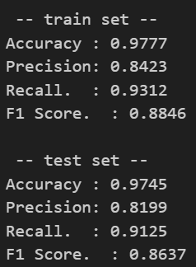
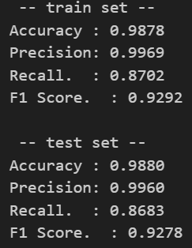
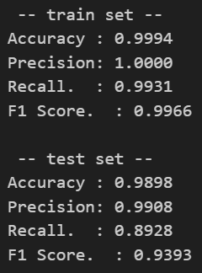
Models WITHOUT Ranom Oversampling
1
rf = RandomForestClassifier(n_estimators=100, max_features="sqrt", random_state=904)

2
rf = RandomForestClassifier( n_estimators=50, max_depth=10, min_samples_split=10, min_samples_leaf=5, max_features=0.2, class_weight="balanced", random_state=904 )

3
rf = RandomForestClassifier( n_estimators=100, max_depth=15, min_samples_split=20, min_samples_leaf=20, max_features=4, class_weight='balanced_subsample', n_jobs=-1, random_state=42 )

 |  | 1 |  | 2 |  | 3
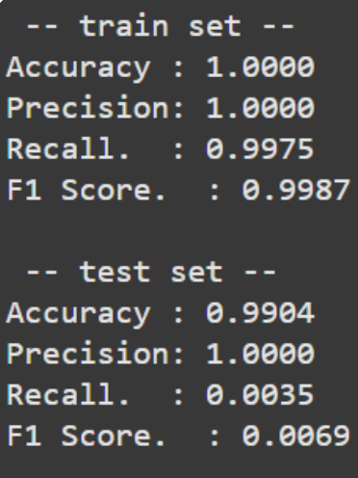
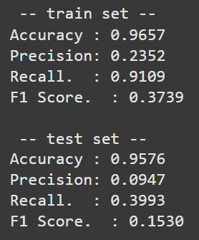
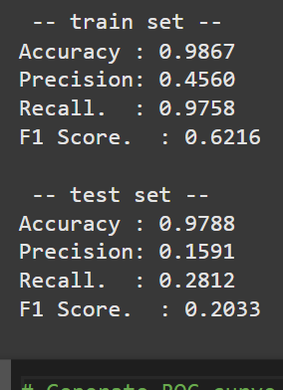

Models WITH Ranom Oversampling
1
gb = GradientBoostingClassifier(n_estimators = 100, learning_rate = 0.1, max_depth=3, random_state=904)
2
gb = GradientBoostingClassifier( max_depth=7, min_samples_leaf=10, min_samples_split=20, n_estimators=200, learning_rate=0.1, subsample=0.8, random_state=904 )
3
rf = RandomForestClassifier(n_estimators=100, max_depth=10, min_samples_split=20,min_samples_leaf=10, max_features="sqrt", class_weight="balanced", random_state=904,n_jobs=-1 )
4
rf = RandomForestClassifier(n_estimators=50,min_samples_split=50,min_samples_leaf=10,max_features="sqrt",max_depth=10,class_weight="balanced",n_jobs=-1,random_state=42)
5
rf = RandomForestClassifier( n_estimators=100, max_depth=15, min_samples_split=20, min_samples_leaf=20, max_features=4, class_weight='balanced_subsample', n_jobs=-1, random_state=42 )
6
dt = DecisionTreeClassifier(max_depth = 25, min_samples_leaf=10, ccp_alpha = 0.0001)

 | 1 |  | 2 |  | 3 |  | 4 | 5 | 6
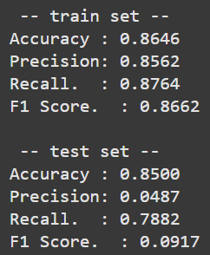
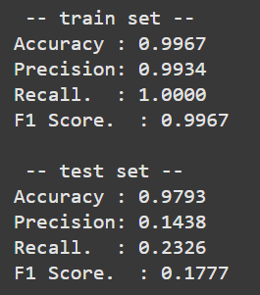
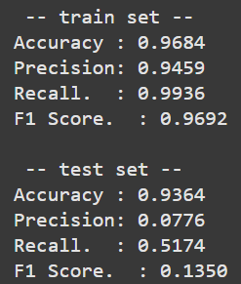
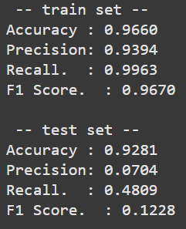
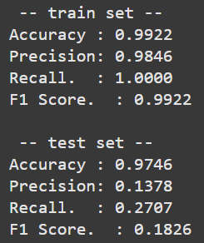
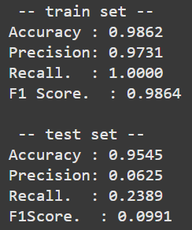

Neuro Network Models
 | 1 |  | 2
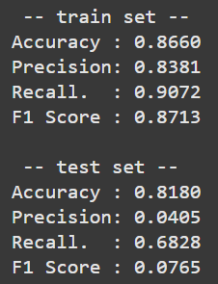
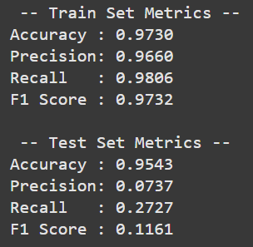

SMOTE
1
rf = RandomForestClassifier( n_estimators=100, max_depth=15, min_samples_split=20, min_samples_leaf=20, max_features=4, class_weight='balanced_subsample', n_jobs=-1, random_state=42 )
rf = RandomForestClassifier( n_estimators=100, max_depth=15, min_samples_split=20, min_samples_leaf=20, max_features=4, class_weight='balanced_subsample', n_jobs=-1, random_state=42 )
2
rf = RandomForestClassifier( n_estimators=100, max_depth=25, min_samples_split=20, min_samples_leaf=5, max_features=6, class_weight='balanced_subsample', n_jobs=-1, random_state=42 )
3
gb = GradientBoostingClassifier(n_estimators = 100, learning_rate = 0.1, max_depth=3, random_state=904)
4
gb = GradientBoostingClassifier(n_estimators = 150, learning_rate = 0.15000000000000002, max_depth=9,min_samples_split=20, min_samples_leaf=15,subsample=1.0, max_features='sqrt', random_state=904)

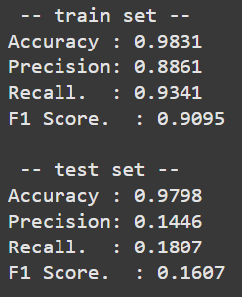
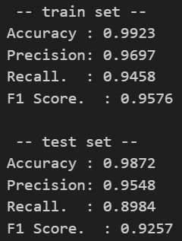
 | 1 |  | 1 but right |  | 2 |  | 3 | 4

Full Data
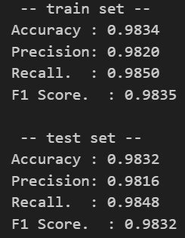
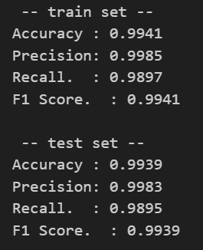
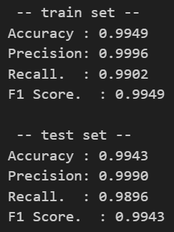
Random Oversampling
1
rf = RandomForestClassifier( n_estimators=100, max_depth=15, min_samples_split=20, min_samples_leaf=20, max_features=4, class_weight='balanced_subsample', n_jobs=-1, random_state=42 )
2
rf = RandomForestClassifier( n_estimators=100, max_depth=15, min_samples_split=20, min_samples_leaf=20, max_features=4, class_weight='balanced_subsample', n_jobs=-1, random_state=42 )

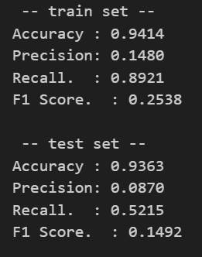
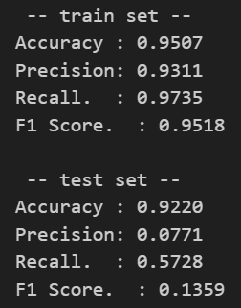
 | 1 | 2

SMOTE
1
rf = RandomForestClassifier( n_estimators=50, max_depth=25,min_samples_split=20 ,min_samples_leaf=5, max_features='sqrt',class_weight='balanced', n_jobs=-1, random_state=42 )
2
rf = RandomForestClassifier( n_estimators=100, max_depth=15, min_samples_split=20, min_samples_leaf=20, max_features=4, class_weight='balanced_subsample', n_jobs=-1, random_state=42 )
3
rf = RandomForestClassifier( n_estimators=100, max_depth=25, min_samples_split=20, min_samples_leaf=5, max_features=6, class_weight='balanced_subsample', n_jobs=-1, random_state=42 )
4
gb = GradientBoostingClassifier(n_estimators = 100, learning_rate = 0.1, max_depth=3, random_state=904)
5
gb = GradientBoostingClassifier(n_estimators = 150, learning_rate = 0.15000000000000002, max_depth=9,min_samples_split=20, min_samples_leaf=15,subsample=1.0, max_features='sqrt', random_state=904)

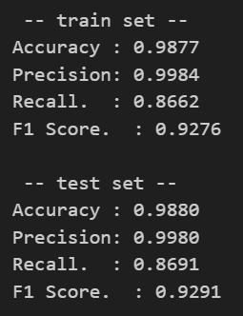
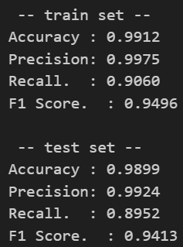
 | 1 | 2 | 3 | 4 | 5
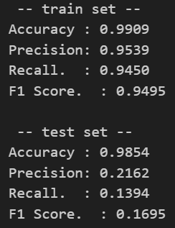
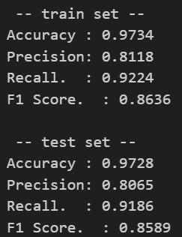
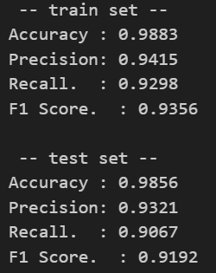

Changed the SMOTE paramaters
1
rf = RandomForestClassifier(n_estimators=150, max_depth=10, min_samples_split=5, class_weight='balanced', n_jobs=-1, random_state=261)
2
rf = RandomForestClassifier( n_estimators=100, max_depth=25, min_samples_split=20, min_samples_leaf=5, max_features=6, class_weight='balanced_subsample', n_jobs=-1, random_state=42 )
3
gb = GradientBoostingClassifier(n_estimators = 150, learning_rate = 0.15000000000000002, max_depth=9,min_samples_split=20, min_samples_leaf=15,subsample=1.0, max_features='sqrt', random_state=904)

 | 1 | 2 | 3

